Sheet1
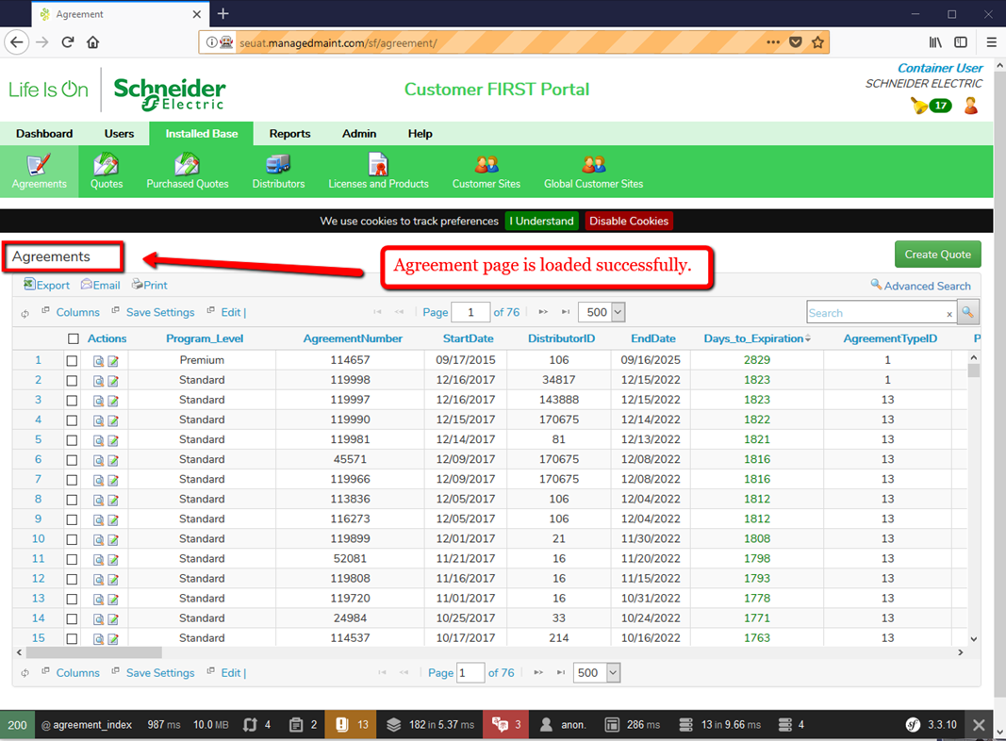
Steps | Agreement Page load for Automation

1 | To get started, the system will first get the Se URL and then log in to the Schneider Portal with the SE username and password. The system will click the login button to continue.

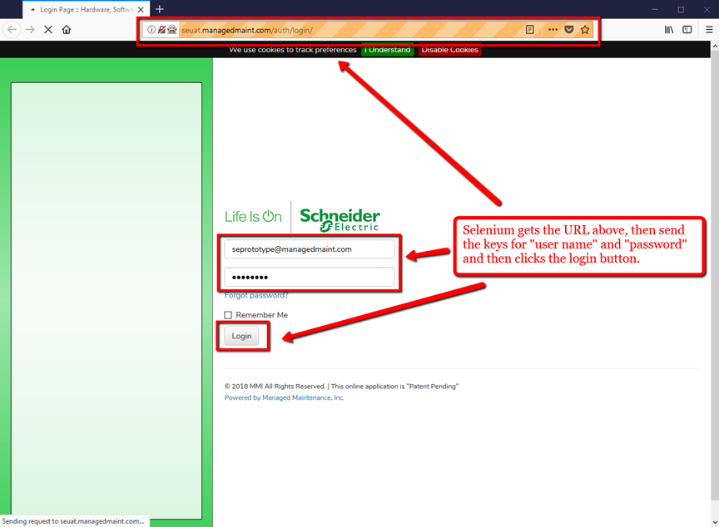

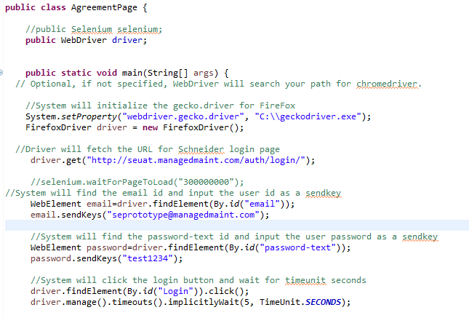

2 | Once the system has logged in, the driver will fetch and click the installed Base tab (topmenuitem_1).

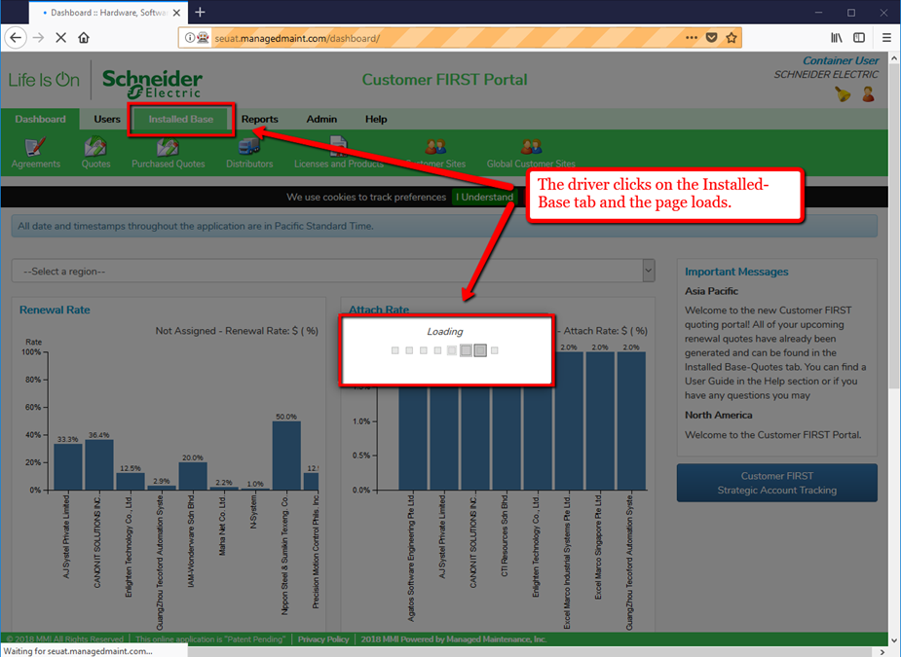

3 | The system now waits 10 seconds and then moves forward to click the Agreements tab (submenulink_31).

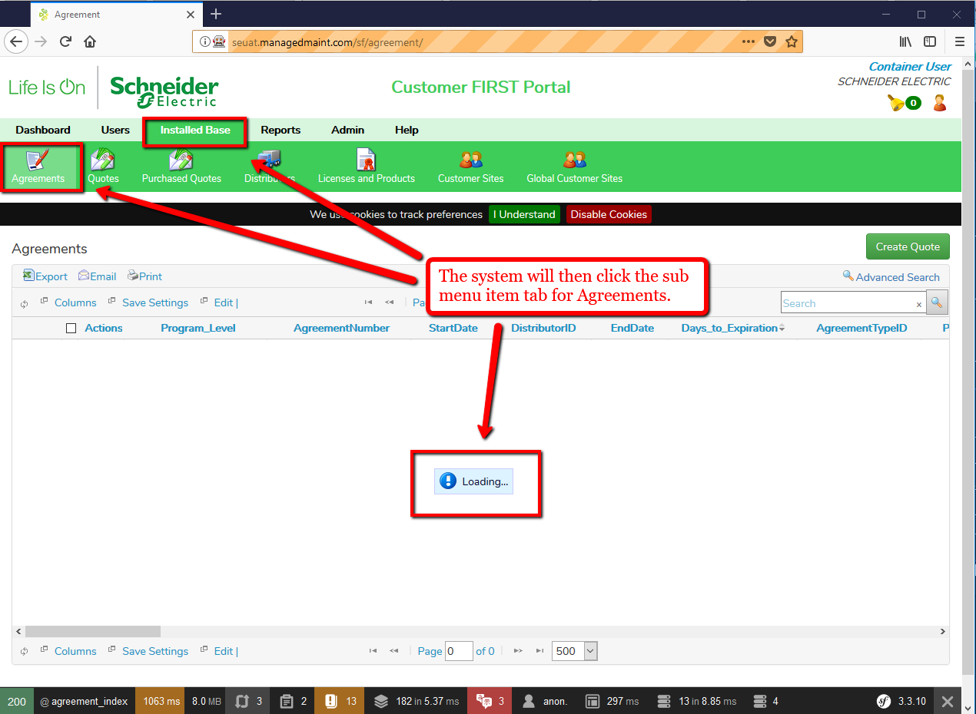

4 | Finally, the system will print out the page title: Agreement on the console and then quit and close the Firefoxwindow.

Sheet2






